Dashboard
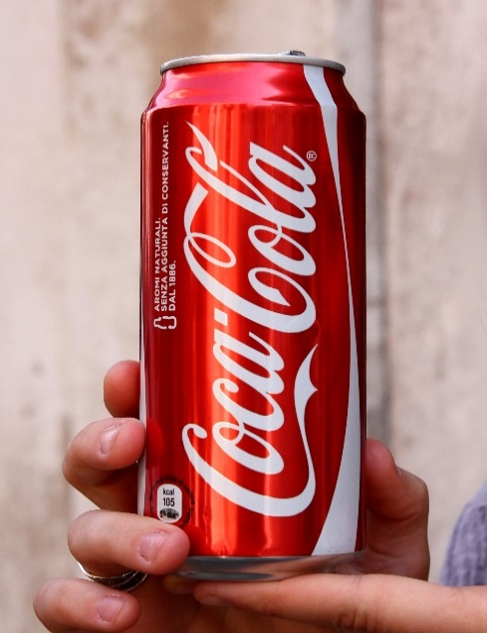
Coca-Cola Retailer Dashboard

Total Sales
Unit Sold
Average Price
Operating Price
1,20,16,665
2,47,88,610
$0.45
47,22,497

Sales by Beverage Brand
Sales by Retailer

Brand | Sales 2022 | Sales 2023 | Variance | Retailer | Sales 2022 | Sales 2023 | Variance
Coca-Cola | 499,102 | 2,268,975 | 1,769,873 | Amazon | 276,210 | 1,009,699 | 733,489
Dasani Water | 469,271 | 1,917,828 | 1,448,557 | BevCo | 466,788 | 2,327,607 | 1,860,819
Diet Coke | 423,759 | 1,633,959 | 1,210,201 | FizzyCo | 161,210 | 2,262,827 | 2,101,617
Fanta | 315,489 | 1,116,063 | 800,574 | Target | 9,250 | 1,341,995 | 1,332,745
Powerade | 349,534 | 1,302,529 | 952,995 | Walmart | 339,913 | 580,211 | 240,299
Sprite | 366,578 | 1,353,578 | 987,000 | West Soda | 1,170,362 | 2,070,594 | 900,233
Total | 2,423,733 | 9,592,933 | 7,169,200 | Grand Total | 2,423,732 | 9,592,933 | 7,169,200
Sales and Operating profit Margin by Years

 | Sum of Total Sales | Average of Operating Margin
1 | 231274.6 | 0.41646666667
2 | 214081.3 | 0.40456140351
3 | 247420.2 | 0.38244274809
4 | 319308.1 | 0.43584615385
5 | 216476.4 | 0.39915789474
6 | 108419.4 | 0.32366666667
7 | 218238.8 | 0.36461538462
8 | 264163 | 0.42690647482
9 | 236768.6 | 0.435625
10 | 142856.9 | 0.42348837209
11 | 116805 | 0.3860952381
12 | 107920.2 | 0.40141304348
0 | 154578.3 | 0.41884057971
1 | 939242.8 | 0.41440518257
2 | 860232.2 | 0.4136375
3 | 522078.2 | 0.42421758569
4 | 649833.9 | 0.42947960619
5 | 857695.6 | 0.42926896552
6 | 871895.3 | 0.42366218236
7 | 1036803.1 | 0.42579104478
8 | 965159.6 | 0.43219887955
9 | 803789.8 | 0.44535714286
10 | 556440.6 | 0.4376779661
11 | 589498.3 | 0.41884057971
12 | 785684.8 | 0.42086956522

